Indices

 | Iraq Stock Exchange
 | Bulletin No (172)

 | ISX Trading Indices of Monday 29/9/2025

 | Traded Volume and OTC |  | 373,626,683 |  | Traded Value and OTC |  | 600,667,003 |  | Traders | 717

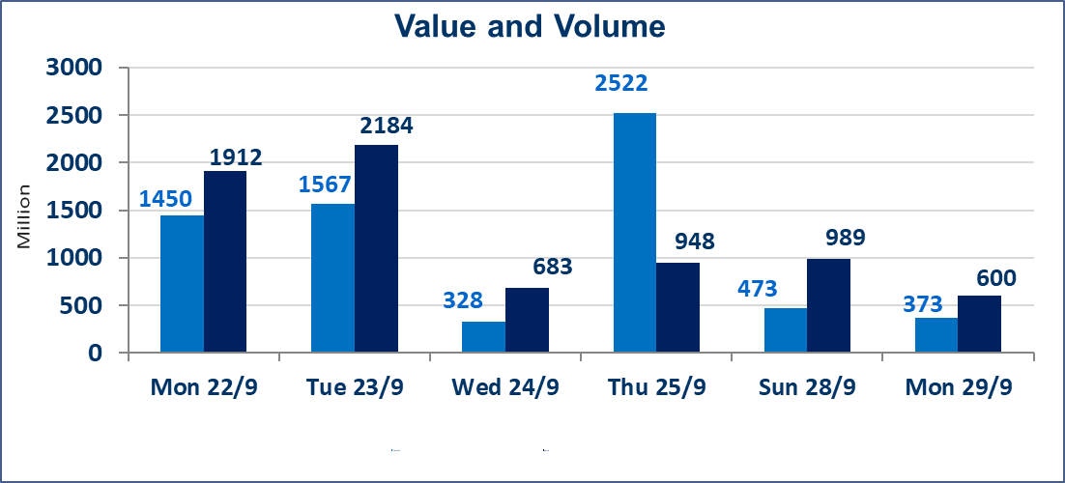
 | ISX Index 60 |  |  | 962.34 | ISX Index 15 |  |  | 1128.45
 | Previous ISX Index60 |  |  | 964.78 | Previous ISX Index15 |  |  | 1129.85
 | Change % |  |  | -0.25 | Change % |  |  | -0.12
 | Change |  |  | -2.44 | Change |  |  | -1.40

 | Listed Companies | 104 | OTC | 11 | Non Traded listed | 46 | OTC | 10
 | Traded Listed Companies | 38 | OTC | 0 | Higher Companies |  |  | 8
 | GAM Companies |  |  | 10 | Lower Companies |  |  | 12
 | Suspended Companies |  |  | 10
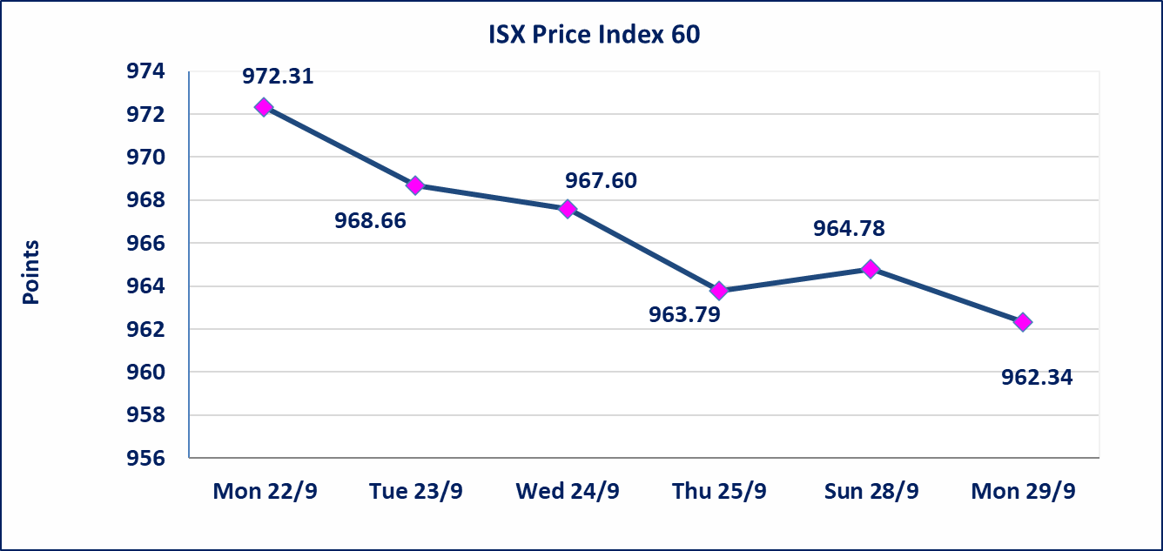
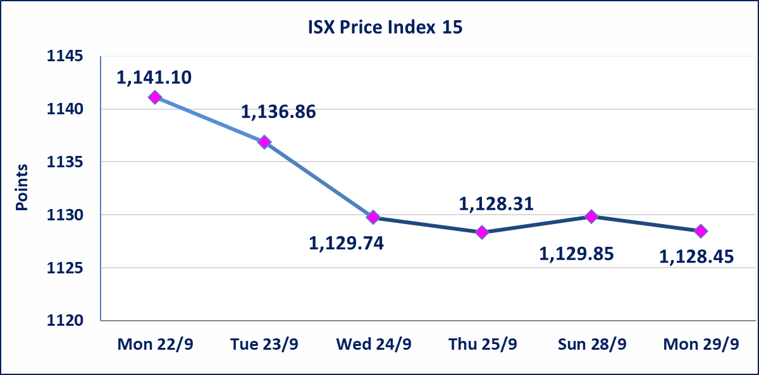

Al-Alwiya P.O . 3607 Mobile: 07711211522 - 07270094594 - 07834000034 E-mail: info-isx@isx-iq.net Web site:www.isx-iq.net

Top 5
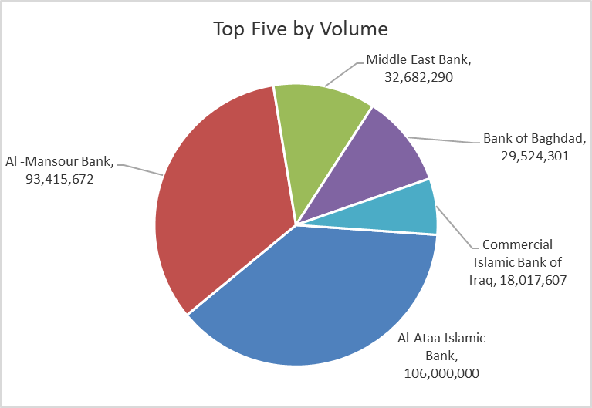
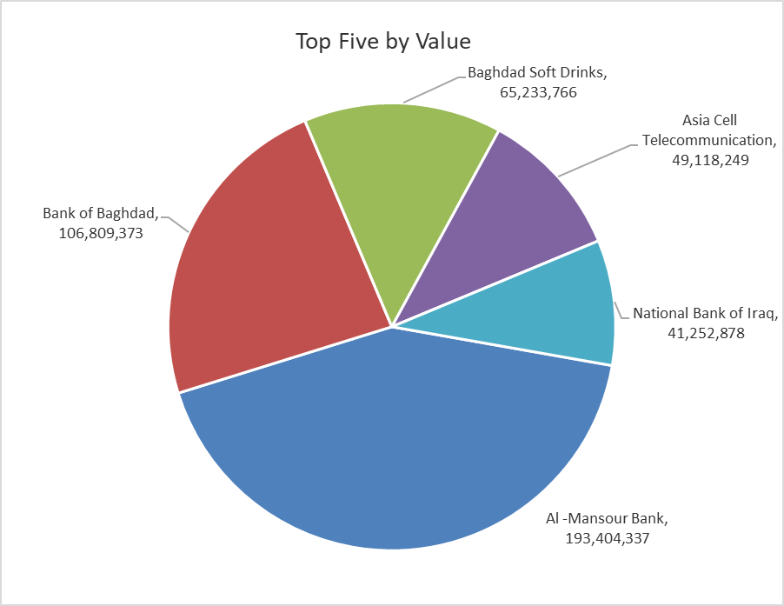
ISX top ganing and losing companies
Monday 29/9/2025
Gainers |  |  |  | Losers
Company Name | Closing Price | Change (%) | Traded Volume | Company Name | Closing Price | Change (%) | Traded Volume
Iraqi Carton Manufactories | 1.250 | 8.70 | 1,101,000 | Iraqi for Seed Production | 5.780 | -2.36 | 2,586,524
Palestine Hotel | 25.510 | 4.98 | 475,503 | Metallic Industries and Bicycles | 2.150 | -2.27 | 36,000
Ashur International Bank | 0.230 | 4.55 | 5,001,000 | Agricultural Products Meat | 4.900 | -1.61 | 28,972
Al-Sadeer Hotel | 24.000 | 4.35 | 75,889 | Credit Bank Of Iraq | 0.710 | -1.39 | 15,000,374
National Chemical &Plastic | 1.900 | 3.26 | 3,415,373 | Commercial Islamic Bank of Iraq | 0.770 | -1.28 | 18,017,607

The most active companies in term of traded volume and value

Traded Volume |  |  |  | Traded Value
Company Name | Closing Price | Change (%) | Traded Volume | Company Name | Closing Price | Change (%) | Traded Value
Al-Ataa Islamic Bank | 0.090 | 0.00 | 106,000,000 | Al -Mansour Bank | 2.070 | -0.48 | 193,404,337
Al -Mansour Bank | 2.070 | -0.48 | 93,415,672 | Bank of Baghdad | 3.620 | -0.28 | 106,809,373
Middle East Bank | 0.060 | 0.00 | 32,682,290 | Baghdad Soft Drinks | 4.700 | 0.00 | 65,233,766
Bank of Baghdad | 3.620 | -0.28 | 29,524,301 | Asia Cell Telecommunication | 12.050 | -0.08 | 49,118,249
Commercial Islamic Bank of Iraq | 0.770 | -1.28 | 18,017,607 | National Bank of Iraq | 4.010 | 0.00 | 41,252,878

Non Iraqis

Iraq Stock Exchange
Non Iraqis' Bulletin Monday Sept 29 2025
Regular Market

Non Iraqi Trading of Regular Market (Buy)
Company Names | Code | No.of trades | Traded Shares | Trading Volume
Banks Sector
Bank Of Baghdad | BBOB | 2 | 20,000 | 72,600
Ashur International Bank | BASH | 3 | 400,000 | 92,000
Total Bank sector |  | 5 | 420,000 | 164,600
Grand Total |  | 5 | 420000 | 164600
Non Iraqi Trading of Second Market (BUY)
Company Names | Code | No. of trades | Traded Volume | Traded Value
Banks Sector
Credit Bank Of Iraq | BROI | 2 | 410,000 | 299,200
Total Bank sector |  | 2 | 410,000 | 299,200
Grand Total |  | 2 | 410000 | 299200

